Sheet1
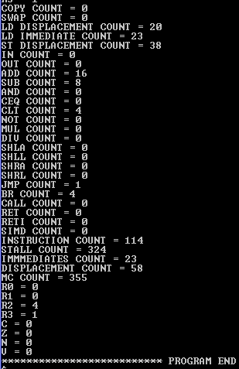
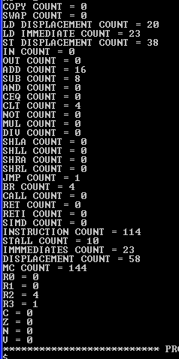
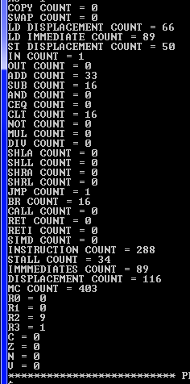
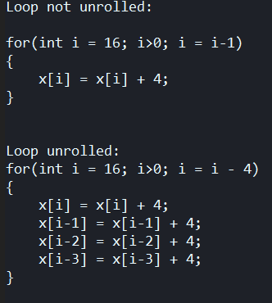
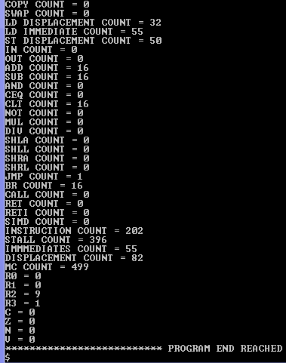
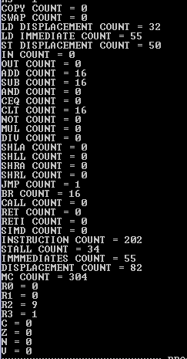
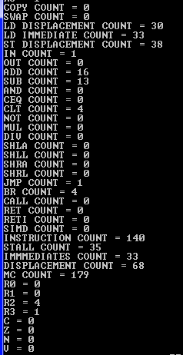

 |  |  |  |  |  |  |  |  | Loop not unrolled
 |  |  |  |  |  |  | Not Unrolled | Loop Unrolled | DFWD but no ROB | Loop unrolled | Loop not unrolled | Loop unrolled
 |  |  |  |  |  |  |  |  |  | DFWD but no ROB | DFWD and ROB | DFWD and ROB
 | NOT UNROLLED | UNROLLED | DFWD NO ROB NOT UNROLLED | DFWD NO ROB UNROLLED | DFWD+ROB NOT UNROLLED | DFWD+ROB UNROLLED
MACHINE CYCLES | 499 | 355 | 304 | 144 | 403 | 179
STALL | 396 | 324 | 34 | 10 | 34 | 35
INSTRUCTION COUNT | 202 | 114 | 202 | 114 | 288 | 140
LD | 87 | 43 | 87 | 43 | 155 | 63
DISPLACEMENT | 82 | 58 | 82 | 58 | 116 | 68
IMMEDIATE | 55 | 23 | 55 | 23 | 89 | 33
ST | 50 | 38 | 50 | 38 | 50 | 38
ADD | 16 | 16 | 16 | 16 | 33 | 16
SUB | 16 | 8 | 16 | 8 | 16 | 8
CLT | 16 | 4 | 16 | 4 | 16 | 4
BR | 16 | 4 | 16 | 4 | 16 | 4
JMP | 1 | 1 | 1 | 1 | 1 | 1
COPY | 0 | 0 | 0 | 0 | 0 | 0
SWAP | 0 | 0 | 0 | 0 | 0 | 0
IN | 0 | 0 | 0 | 0 | 0 | 0
OUT | 0 | 0 | 0 | 0 | 0 | 0
AND | 0 | 0 | 0 | 0 | 0 | 0
CEQ | 0 | 0 | 0 | 0 | 0 | 0
NOT | 0 | 0 | 0 | 0 | 0 | 0
MUL | 0 | 0 | 0 | 0 | 0 | 0
DIV | 0 | 0 | 0 | 0 | 0 | 0
SHLA | 0 | 0 | 0 | 0 | 0 | 0
SHLL | 0 | 0 | 0 | 0 | 0 | 0
SHRA | 0 | 0 | 0 | 0 | 0 | 0
SHRL | 0 | 0 | 0 | 0 | 0 | 0
CALL | 0 | 0 | 0 | 0 | 0 | 0
RET | 0 | 0 | 0 | 0 | 0 | 0
RETI | 0 | 0 | 0 | 0 | 0 | 0
SIMD | 0 | 0 | 0 | 0 | 0 | 0

